Sheet1
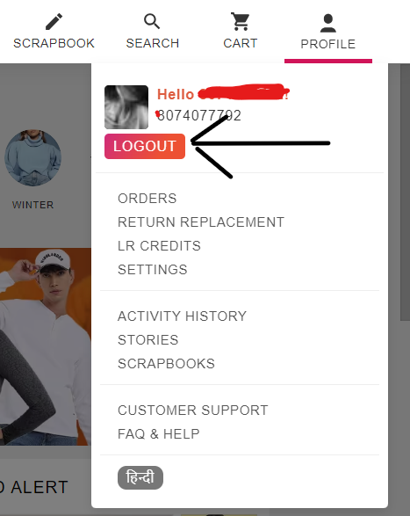
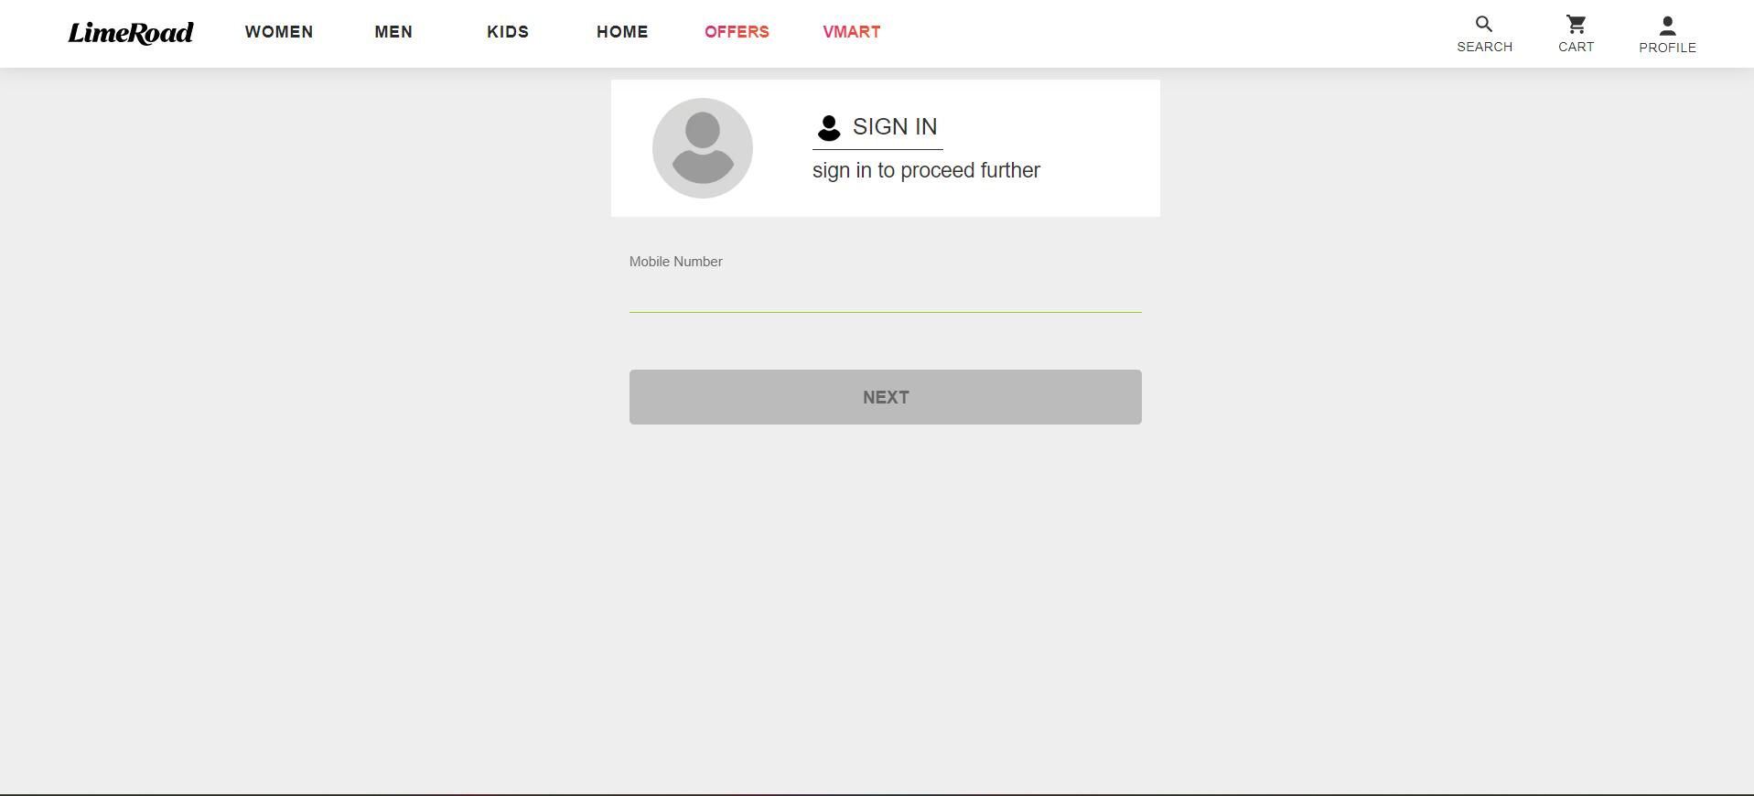
Project Name | Lime Road
Client | Lime Road
Reference Doucement | FRS(Functional Requirements Specification)
Created By | Vignesh
Creation Date
Approved Date
TestCase for | Sign Page

Steps | Description | Inputs | Expected Result | Actual Result | Status | Comment
T_001 | Open the Browser enter the Url | https://www.limeroad.com/auth/login | Login Page Interface Must Be Opened | Login is Displayed | Pass | Expected and Actual matches correctly
T_002 | Enter the Follwing For Login Details
 | 2.1 Valid Mobile Number | 1234567890 | 10 digits Mobile number is Accepted | Accepted | pass | Expected and Actual matches correctly
 | 2.2 Invalid Number | abcdefghi | Alphabets are not consider as mobile number.. | In valid Mobile number | pass | Expected and Actual matches correctly
 | 2.3 Blank N/A | N/A | It will display please enter the mobile number | enter mobile number | pass | Expected and Actual matches correctly
 | 2.4 Alpha-Numeric | 1@3# | It will not accept | Popup meassage is displayed like invalid | pass | Expected and Actual matches correctly
 | 2.5 Special Charcters | !@#$%^&* | 10 Digit Valid Mobile No. Required | 10 Digit Valid Mobile No. Required | Pass | Expected and Actual matches correctly
T_003 | Enter the Follwing
 | 3.1 Enter Valid recevied OTP | OTP Should be in Numeric like 1234 | HomePage must be displayed | Home page Must be displayed | pass | Expected and Actual matches correctly
 | 3.2 Invalid OTP | OTP Shouldn't be Non-Numeric like abcd | Only numeric input should be accepted. | In valid OTP | Pass | Expected and Actual matches correctly
 | 3.3 Enter an incorrect OTP | OTP is Invalid | Enter Valid Recevied OTP number | Enter Valid Recevied OTP number | pass | Expected and Actual matches correctly
 | 3.4 Enter OTP After Few mintues | Resend the OTP to Resigtered Number | OTP is recevied to the number | OTP is recevied to the number | pass | Expected and Actual matches correctly
T_004 | Enter the Follwing For LogOut Details
 | 4.1 LogOut of The Registered Number | Click on the profile icon or menu where the logout option is available. | profile page must be displayed | profile page must be displayed | pass | Expected and Actual matches correctly
 | 4.2 Click on the LogOut Button | LogOut Button Must be Appear | Login page must be displayed | Loginpage must be displayed | pass | Expected and Actual matches correctly

